Class Distribution
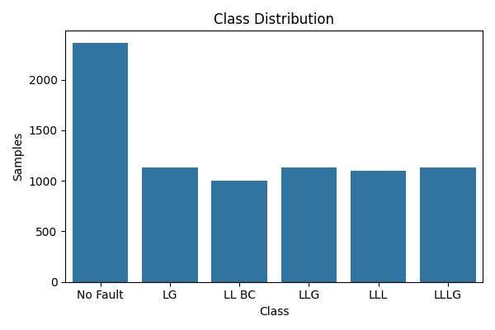
Class | Samples
No Fault | 2365
LG | 1129
LL BC | 1004
LLG | 1134
LLL | 1096
LLLG | 1133

Feature Stats
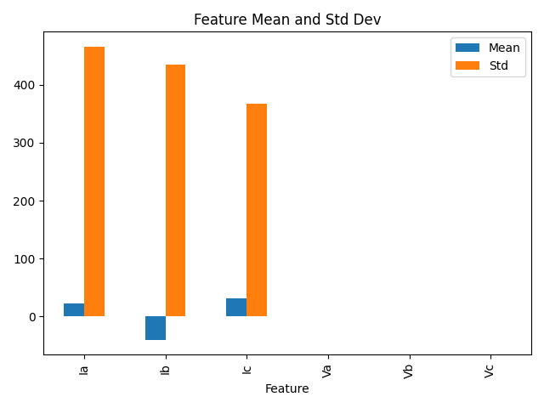
Feature | Mean | Std | Min | 25% | 50% | 75% | Max
Ia | 22.3695 | 466.4818 | -883.5423 | -86.1375 | 4.6081 | 270.1579 | 885.7386
Ib | -41.0013 | 435.6345 | -900.527 | -250.0775 | 7.3404 | 90.8189 | 889.685
Ic | 30.5312 | 367.1496 | -883.3451 | -62.4135 | -3.1538 | 48.8416 | 901.1012
Va | -0.0076 | 0.2908 | -0.6207 | -0.1382 | -0.0027 | 0.1142 | 0.5953
Vb | -0.0021 | 0.3172 | -0.608 | -0.1781 | -0.0015 | 0.1519 | 0.6279
Vc | 0.0098 | 0.308 | -0.6127 | -0.2177 | 0.0123 | 0.2477 | 0.6002

